Dashboarding in Excel
v

 | Total
CEC | 379
MEC | 430
MPC | 380
Count of Student name by Gender
 | Total
Female | 11
Male | 6

 | Percentage
Bhavani | 45
Sowmya | 65
Mishra | 75
Arbaz Hussian | 85
Fatima | 57
Ashis yadav | 48
Hemanth | 58
Kareem | 66
Raviteja | 60
Hudha | 61
Hema | 85
Simha | 90
Khushiraa | 80
Prerana | 79
Uma | 78
Girija | 82
Latha | 75
Count of Student name by Integer Group
 | Total
CEC | 6
MEC | 6
MPC | 5

Sheet22
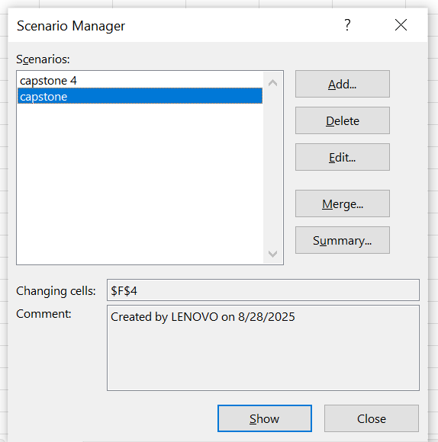
students | semester 1 | semester 2 | semester 3 | semester 4 | capstone | overall marks
khushiraa | 80 | 78 | 76 | 81 | 85 | 80
prerana | 82 | 76 | 80 | 79 | 90 | 81.4
nitya sri | 83 | 79 | 81 | 80 | 100 | 84.6

